NIKE
Reference | Picture | model | Colour | S | M | L | XL | XXL | QTY | Price | RRP 2023
CZ0881-010 |  | Nike small logo cotton tee | black | 104 | 348 | 354 | 234 | 110 | 1150 | 12.45 € | € 23.00
CZ0881-071 |  | Nike small logo cotton tee | charcoal | 42 | 144 | 147 | 96 | 45 | 474 | 12.45 € | € 23.00
CZ0881-100 | 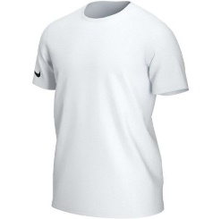 | Nike small logo cotton tee | white | 94 | 330 | 333 | 221 | 107 | 1085 | 12.45 € | € 23.00
CZ0881-451 |  | Nike small logo cotton tee | navy | 80 | 258 | 261 | 173 | 83 | 855 | 12.45 € | € 23.00
CZ0881-463 |  | Nike small logo cotton tee | blue | 32 | 114 | 117 | 77 | 35 | 375 | 12.45 € | € 23.00
CZ0881-657 |  | Nike small logo cotton tee | red | 30 | 90 | 90 | 60 | 30 | 300 | 12.45 € | € 23.00
CW6952-010 |  | Nike Park 20 small logo tees | black | 73 | 225 | 225 | 150 | 75 | 748 | 14.65 € | € 30.00
CW6952-071 |  | Nike Park 20 small logo tees | charcoal | 32 | 102 | 102 | 69 | 35 | 340 | 14.65 € | € 30.00
CW6952-100 |  | Nike Park 20 small logo tees | white | 36 | 114 | 114 | 77 | 39 | 380 | 14.65 € | € 30.00
CW6936-010 |  | Nike Big Logo T-shirt | black | 93 | 278 | 279 | 186 | 93 | 929 | 16.85 € | € 35.00
CW6936-100 |  | Nike Big Logo T-shirt | white | 35 | 44 | 46 | 28 | 4 | 157 | 16.85 € | € 35.00
CW6936-451 |  | Nike Big Logo T-shirt | obsidian | 67 | 196 | 198 | 123 | 63 | 647 | 16.85 € | € 35.00
CW6936-657 |  | Nike Big Logo T-shirt | red | 16 | 48 | 48 | 32 | 16 | 160 | 16.85 € | € 35.00
427486-006 |  | Nike Graphic Woven Shorts Men | Grey |  | 44 | 86 | 86 | 44 | 260 | 12.45 € | € 29.95
427486-473 |  | Nike Graphic Woven Shorts Men | Navy |  | 3 | 32 | 34 | 24 | 93 | 12.45 € | € 29.95
CW6902-010 |  | Nike Park Crew sweater | black | 164 | 493 | 494 | 330 | 165 | 1646 | 26.20 € | € 55.00
CW6902-063 |  | Nike Park Crew fleece sweater | light grey | 54 | 166 | 167 | 113 | 53 | 553 | 26.20 € | € 55.00
CW6902-071 |  | Nike Park Crew fleece sweater | dark grey | 37 | 113 | 113 | 76 | 38 | 377 | 26.20 € | € 55.00
CW6902-451 |  | Nike Park Crew fleece sweater | navy | 124 | 382 | 383 | 257 | 129 | 1275 | 26.20 € | € 55.00
CW6887-010 |  | Nike Full Zip Fleece Hoody | black | 71 | 190 | 165 | 119 | 58 | 603 | 31.15 € | € 65.00
CW6887-063 |  | Nike Full Zip Fleece Hoody | grey heather | 22 | 85 | 76 | 31 | 0 | 214 | 31.15 € | € 65.00
CW6887-071 |  | Nike Full Zip Fleece Hoody | charcoal | 10 | 31 | 31 | 22 | 13 | 107 | 31.15 € | € 65.00
CW6887-451 |  | Nike Full Zip Fleece Hoody | obsidian | 62 | 137 | 137 | 91 | 46 | 473 | 31.15 € | € 65.00
CW6907-010 |  | Nike Fleece Sweatpant | black | 97 | 228 | 227 | 181 | 90 | 823 | 23.89 € | € 50.00
CW6907-063 |  | Nike Fleece Sweatpant | grey | 15 | 56 | 56 | 41 | 22 | 190 | 23.89 € | € 50.00
CW6907-071 |  | Nike Fleece Sweatpant | charcoal | 12 | 38 | 39 | 28 | 13 | 130 | 23.89 € | € 50.00
CW6907-451 |  | Nike Fleece Sweatpant | obsidian | 144 | 388 | 391 | 263 | 131 | 1317 | 23.89 € | € 50.00
CW6894-010 |  | Nike Fleece Park Hoodie | Black | 32 | 105 | 105 | 85 | 93 | 420 | 28.95 € | € 60.00
CW6894-071 |  | Nike Fleece Park Hoodie | Dark Grey | 8 | 26 | 27 | 19 | 10 | 90 | 28.95 € | € 60.00
CW6894-451 |  | Nike Fleece Park Hoodie | Navy | 52 | 158 | 158 | 105 | 52 | 525 | 28.95 € | € 60.00
BV6877-410 |  | Nike Park 20 Pant obisidian | obisidian | 36 | 99 | 99 | 47 | 17 | 298 | 16.85 € | € 30.00
BV6885-010 | 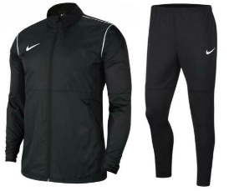 | Nike Park 20 jacket | black | 77 | 233 | 233 | 156 | 78 | 777 | 32.69 € | € 65.00
BV6877-010 |  | Nike Park 20 pant black | black | 77 | 233 | 233 | 156 | 78 | 777 | 2.00 €
BV6885-100 | 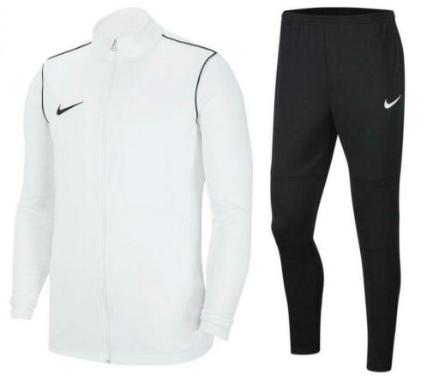 | Nike Park 20 jacket | white | 64 | 248 | 257 | 207 | 104 | 880 | 32.69 € | € 65.00
BV6877-010 |  | Nike Park 20 pant | black | 64 | 248 | 257 | 207 | 104 | 880 | 2.00 €
BV6885-463 | 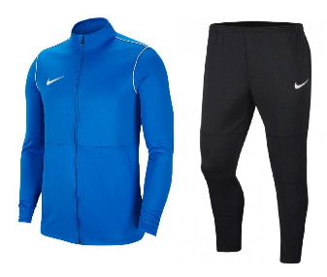 | Nike Park 20 pant | blue | 15 | 47 | 47 | 32 | 16 | 157 | 32.69 € | € 65.00
BV6877-010 |  | Nike Park 20 pant | black | 15 | 47 | 47 | 32 | 16 | 157 | 2.00 €
BV6885-657 | 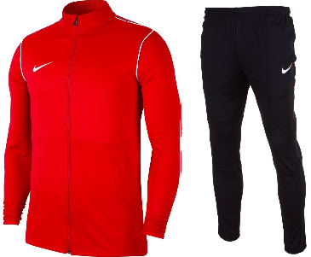 | Nike Park 20 jacket | red | 17 | 51 | 51 | 34 | 17 | 170 | 32.69 € | € 65.00
BV6877-010 |  | Nike Park 20 pant | black | 17 | 51 | 51 | 34 | 17 | 170 | 2.00 €
BV6885-410 | 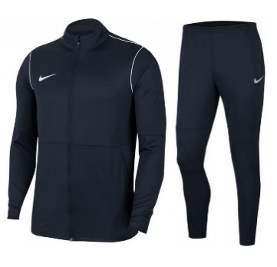 | Nike Park 20 jacket | navy | 60 | 182 | 182 | 122 | 61 | 607 | 32.69 € | € 65.00
BV6877-410 |  | Nike Park 20 pant | navy | 60 | 182 | 182 | 122 | 61 | 607
 |  |  |  |  |  |  |  |  | 19585

